PILIHAN PRODUK (21-06-2025)
PRODUK PILIHAN MARKETING YANG AKAN DI SERTIFIKASI HALAL
No | Ruang Lingkup Sertifikasi Produk | Nama Produk |  | Photo
A | Kursi Lipat Kerangka Baja | 1 | YAMATO AA
 |  | 2 | YAMATO NN
 |  | 3 | YAMATO HAA
 |  | 4 | YAMATO HNN
B | Kursi Baja Serbaguna | 5 | CAESAR
 |  | 6 | HANAKO
 |  | 7 | TARO
 |  | 8 | COZY | 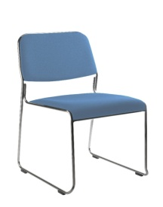
 |  | 9 | CAVIS
 |  | 10 | OLIVE DX
 |  | 11 | NEO
C | Kursi Kerja Kantor | 12 | FITTO FL
 |  | 13 | SPECTA
 |  | 14 | ACHIVA
 |  | 15 | VISTA | 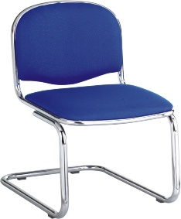
 |  | 16 | LOTUS | 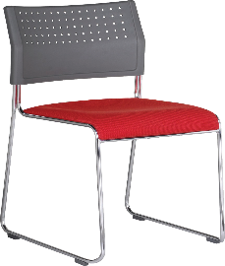
D | Kursi Kuliah | 17 | YAMATO MND
 |  | 18 | OLIVE ALM | 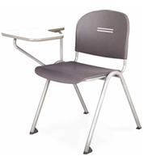
 |  | 19 | DAISHOGUN LMUP
E | Kursi Belajar Untuk Sekolah | 20 | MANABU AH | 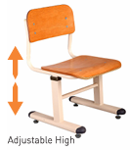
 |  | 21 | KURSI ECHOOL
 |  | 22 | KURSI KEIKO
 |  | 23 | KURSI AYUMI
F | Meja Belajar Untuk Sekolah | 24 | MANABU AH-01 | 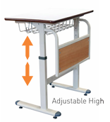
 |  | 25 | MEJA ECHOOL | 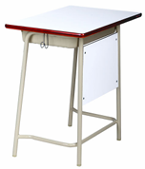
 |  | 26 | KEIKO FB | 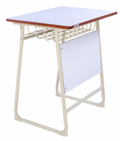
 |  | 27 | MEJA AYUMI
G | Kursi Public Space | 28 | SOFA ASO | 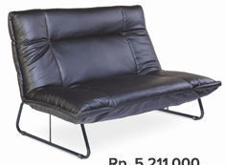
 |  | 29 | PRATO | 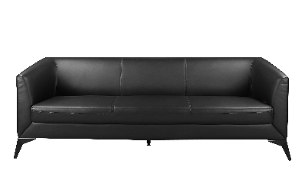
 |  | 30 | KOGU PC | 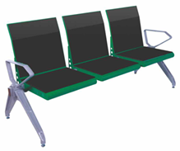
 |  | 31 | KOGU KT
 |  | 32 | KOGU TS
 |  | 33 | KT CAVIS | 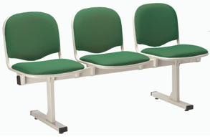
 |  | 34 | TEATRO-S11 | 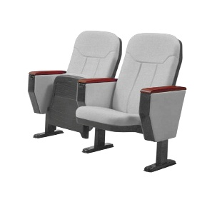
 |  | 35 | COACH-S02 LF | 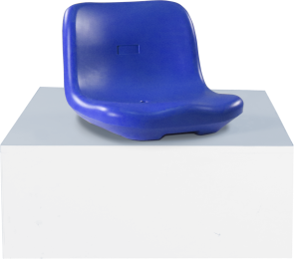
H | Meja Kerja Kantor | 36 | KUMI MD | 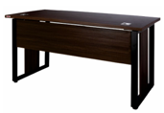
 |  | 37 | KUMI MT
 |  | 38 | KUMI ED
 |  | 39 | KUMI SD | 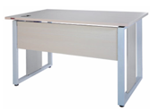
 |  | 40 | KUMI FD | 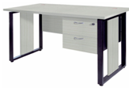
 |  | 41 | KUMI WS
 |  | 42 | TU 7014 | 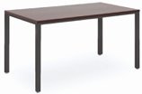
 |  | 43 | TU 7012 | 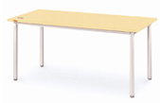
 |  | 44 | FOLDIA C-6015 | 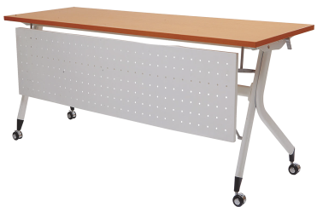
 |  | 45 | FTU 6018 | 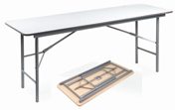
 |  | 46 | FTC 6012 | 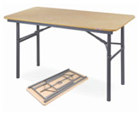
I | Lemari & Rak Kayu | 47 | CK 1800
 |  | 48 | CK 810 | 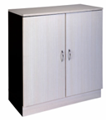
 |  | 49 | MAPLE RACK
J | Lemari & Rak Baja | 50 | CHIBA LC
 |  | 51 | CHIBA SW
 |  | 52 | CHIBA SL
 |  | 53 | CHIBA SL/G
 |  | 54 | CHIBA M | 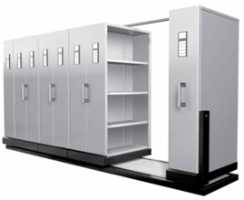
K | Accessories Furniture | 55 | SHIRO W-1218
 |  | 56 | SHIRO WS-1224 | 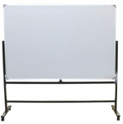
 |  | 57 | STAGE FL 1224
 |  | 58 | BD 3018
L | Ranjang Rumah Sakit | 59 | CB 001 D
 |  | 60 | CB 3003 D ST
 |  | 61 | CB 3300T

