Data Slowmoving FG
Kategori | Material | Material description | Storage location | Stock Quantity on Period End | Moving Price | Stock Value (Moving Price) | Category
ZAO | FG-ZAO-ZAO-AS-0236 | KUMI SDM 1260 BLACK DBO | CIWH | 786 | 778,862 | 612,185,777 | slowmoving
KUM | FG-KUM-WNM-WL-0013 | KUMI MD (1400 X 600 X 750) SILVER AS1401 | CIWH | 155 | 1,385,599 | 214,767,915 | unmoving
KUM | FG-KUM-WNM-WL-0082 | KUMI MD CUST 1500 MM P BLACK DBO | CIWH | 80 | 211,056 | 136,591,804 | unmoving
KEI | FG-KEI-SCH-AS-0013 | KEIKO DESK NO 6 P IVORY JP | CIWH | 208 | 474,280 | 98,650,157 | slowmoving
YAM | FG-YAM-FOM-AS-0059 | YAMATO MBD MT BLACK P BLACK BLACK UNPAK | CIWH | 384 | 251,486 | 96,570,624 | unmoving
ZAO | FG-ZAO-ZAO-AS-0239 | CHIBA SW 1830 COM I | CIWH | 35 | 2,601,117 | 91,039,095 | slowmoving

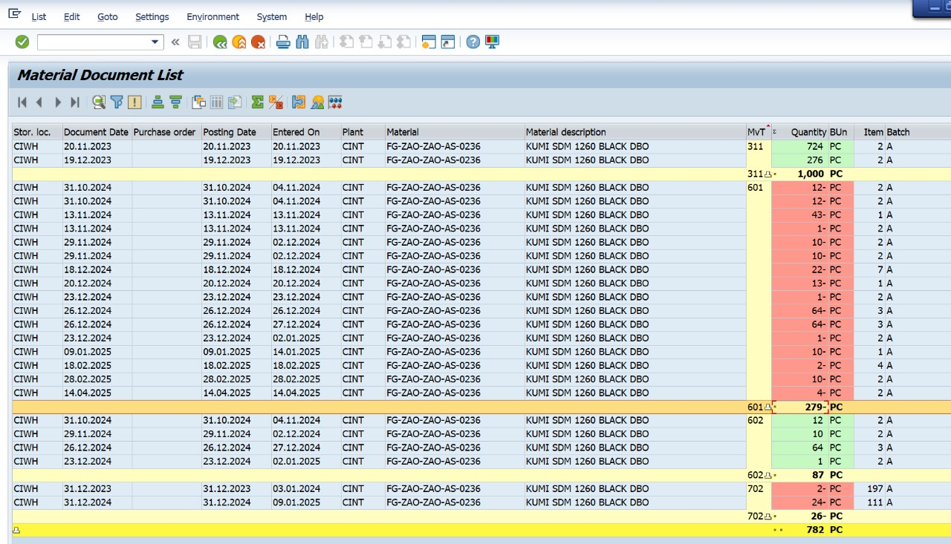

 |  |  |  |  |  |  | 701 | Koreksi Stock opname (+)
 |  |  |  |  |  |  | 702 | Koreksi Stock Opname (-)
 |  |  |  |  |  |  | 311 | Hasil Produksi
 |  |  |  |  |  |  | 601 | Penjualan
 |  |  |  |  |  |  | 602 | Cancel Penjualan
 |  |  |  |  |  |  | 561 | Koreksi Saldo Awal

