BS-005
PT. CHITOSE INTERNASIONAL Tbk
R&D DEPARTEMEN

8. DAFTAR STANDAR KOMPONEN BED OPTIONAL ACCESSORIES

TIPE PRODUK |  | : BS-005
NAMA MODEL |  | : HEAD FOOT BOARD

No | Gambar Komponen | Nama Komponen | Spesifikasi Komponen (mm) | Qty / Unit |  | Suplier + Sub Con | Keterangan | Fungsi

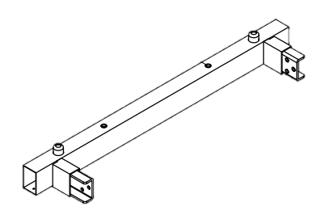
1 |  | HEAD FOOT FRAME COMPL |  | 1
 |  | FRAME HEAD |  | 1
 |  | HF Pipe | Pipa Kotak 60/40 x 1.8 x 776 STKM 11A | 1 | pcs | ISTW/Sri Rejeki | Lokal | Komponen support untuk pengikat head board plastic
 |  | Holder C [K-300002C] | Pipa Bulat Ø22.2 x 1.0 x 85(78) STKM 11 A | 2 | pcs | ISTW/Sri Rejeki + Hinani | Lokal
 |  | Sock pipe compl |  | 2
 |  | Sock pipe BS-005 | Pipa Kotak 60/30 x 1.8 x 55 STKM 11A | 2 | pcs | ISTW/Sri Rejeki | Lokal
 |  | Sock plate | Pl.t 3.2 x (98) x 70 SPHC | 2 | pcs | USC/SSI + Hinani | Lokal
 |  | Nut M8 X B13 X H6,5 | M8 x P1.25 | 6 | pcs | Cakra B | Lokal
 |  | FRAME FOOT |  | 1
 |  | HF Pipe | Pipa Kotak 60/40 x 1.8 x 776 STKM 11A | 1 | pcs | ISTW/Sri Rejeki + CIM | Lokal | Komponen support untuk pengikat head board plastic
 |  | Holder C [K-300002C] | Pipa Bulat Ø22.2 x 1.0 x 85(78) STKM 11 A | 2 | pcs | ISTW/Sri Rejeki + Hinani | Lokal
 |  | Sock pipe compl |  | 2
 |  | Sock pipe BS-005 | Pipa Kotak 60/30 x 1.8 x 55 STKM 11A | 2 | pcs | ISTW/Sri Rejeki + CIM | Lokal
 |  | Sock plate | Pl.t 3.2 x (98) x 70 SPHC | 2 | pcs | USC/SSI + Hinani | Lokal
 |  | Nut M8 X B13 X H6,5 | M8 x P1.25 | 6 | pcs | Cakra B | Lokal
2 |  | Cross Frame Compl |  | 1
 |  | Cross frame cover | Pipa Kotak 30/20 x 1.6 x 620 STKM 11A | 1 | pcs | ISTW/Sri Rejeki + CIM | Lokal | Komponen support untuk dudukan plate cover
3 |  | PART ASSY
 |  | Plate Cover CB BS-005 | Pl.t 0.8 x 615 x (156) SPCC | 1 | pcs | USC/SSI + Rajawali | Lokal | Komponen support assy
 | 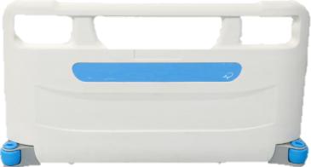 | Head/Foot Board BS-005 | >PP< | 1 | set | Bossay | Import | Komponen papan pelindung pasien area kepala dan kaki (Head atau Foot Board)
 |  | Bolt L | M8 x 20 | 12 | pcs | Sagatek/Garuda M | Lokal | Komponen support assy
 |  | T/P SCREW P.HEAD | M6X16 | 2 | pcs | Sagatek/Garuda M | Lokal | Komponen support assy
 |  | Wood screw | WOOD SCREW JF # 4 X 16 (FAB) | 8 | pcs | Anugrah | Lokal | Komponen support assy
 | 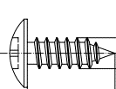 | Screw | SCREW 5 X 14 LOTUS KASAR | 4 | pcs | Sagatek |  | Komponen support assy
 | 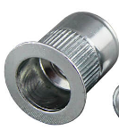 | Nut Rivet | for M6 | 2 | pcs | Sagatek | Lokal | Komponen support assy
 | 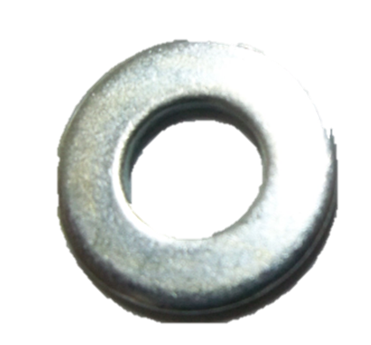 | Plain Washer | Ø6 | 2 | pcs | Cahaya.N | Lokal | Komponen support assy
 | 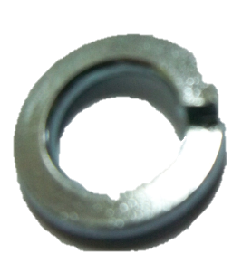 | Spring washer | Ø6 | 2 | pcs | Cahaya.N | Lokal | Komponen support assy
 |  | Plain Washer | Ø8 | 12 | pcs | Sagatek | Lokal | Komponen support assy
 |  | Spring washer | Ø8 | 12 | pcs | Cahaya.N | Lokal | Komponen support assy
 | 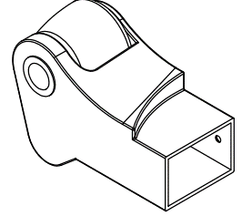 | Corner roller BS-005 | >PP< | 2 | pcs | Bossay | Import | Komponen support assy

 |  | Label Optimus | Sticker | 1 | pcs | TPO | Lokal | Komponen support labeling

 |  |  |  |  |  |  | Cimahi, 28 Febuari 2024
Dibuat Oleh
Rini
Product Analist
Diperiksa Oleh
Katmo
Team Leader
Disetujui Oleh
Ivo A
Group Leader

