Sheet1
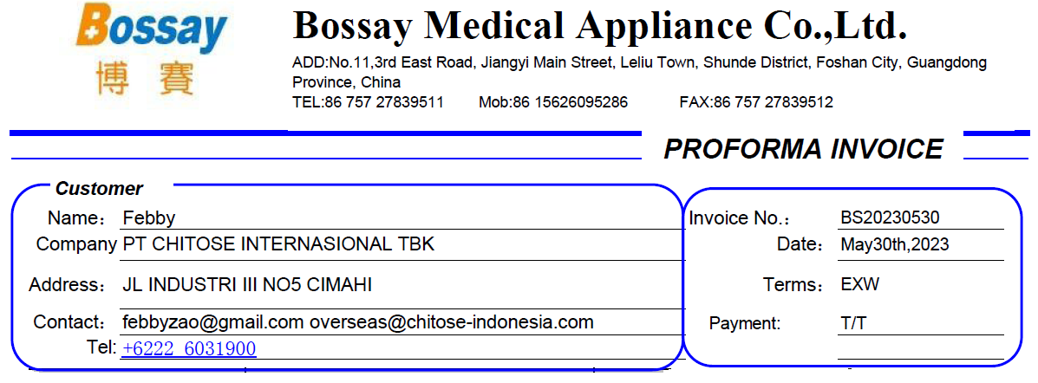

PICTURE | NAME OF ITEM | QTY | UNIT PRICE | AMOUNT | No.
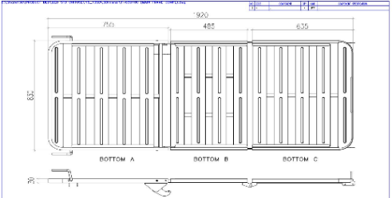 | BS-201 SLEEPING PANEL | 3 | $20.00 | $60.00
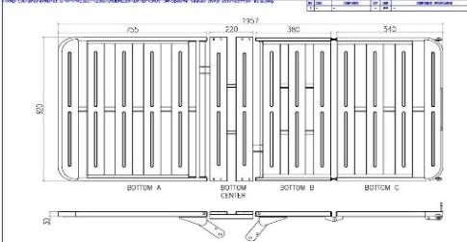 | BS-201-1 SLEEPING PANEL | 3 | $21.00 | $63.00 | 3
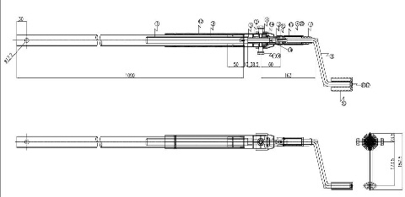 | BS-44-1 CRANK SET FOR BACKREST | 3 | $9.50 | $28.50
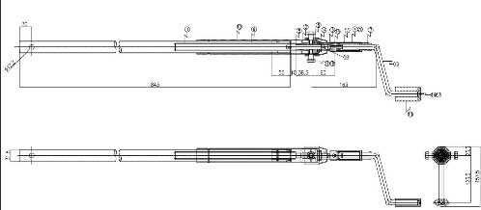 | BS-44-2 CRANK SET FOR FOOTREST | 3 | $9.50 | $28.50
 | BS-44-2 CRANK SET FOR HEIGHT ADJUSTMENT | 3 | $9.50 | $28.50
 | BS-015 A SIDE RAIL | 4 | $82.00 | $328.00 | 12
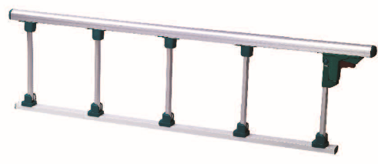 | BS-025 ALUMINIUM SIDE RAIL | 4 | $25.00 | $100.00 | 12
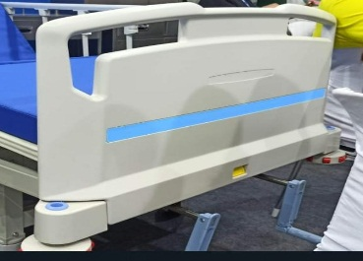 | BS-004 A HEAD FOOTBOARD | 4 | $43.50 | $174.00
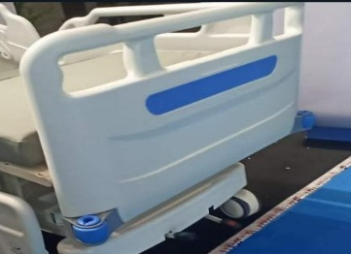 | BS-005 A HEAD FOOTBOARD | 4 | $33.00 | $132.00
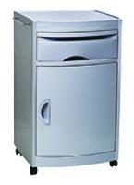 | BS-514 BED SIDE CABINET | 2 | $40.00 | $80.00
 | BS-524 BEDSIDE CABINET | 2 | $52.00 | $104.00
 | BS-43-1 CRANK SET FOR BACKREST | 3 | $9.50 | $28.50
 | BS-43-2 CRANK SET FOR FOOTREST | 3 | $9.50 | $28.50
 | BS-43-3 CRANK SET FOR HEIGHT ADJUSMENT | 3 | $9.50 | $28.50
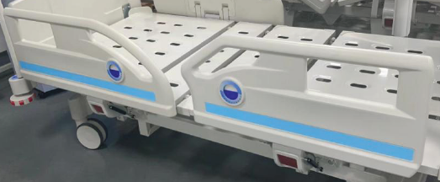 | BS-019 SIDE RAIL | 2 | $126.00 | $252.00 | 12
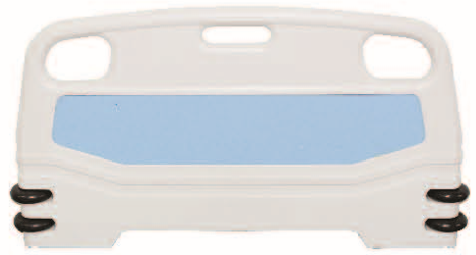 | BS-006A HEAD FOOTBOARD | 3 | $40.00 | $120.00 | 11
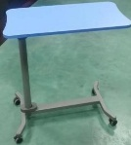 | BS-G204-2 GAS SPRING OF OVER BED TABLE | 10 | $6.00 | $60.00
 | BS-028 CASTOR CENTRAL LOCK (5 INCH) | 8 | $12.50 | $100.00 | 13
 | BS-028 CASTOR M16X25MM WITHOUT LOCK (6 INCH) | 4 | $9.00 | $36.00
 | BS-028 CASTOR M16X25MM LOCK (6 INCH) | 4 | $9.30 | $37.20
 | BS-028 CASTOR M16X25MM WITHOUT LOCK (5 INCH) | 4 | $6.30 | $25.20 | 13
 | BS-028 CASTOR M16X25MM LOCK (5 INCH) | 4 | $6.50 | $26.00 | 13
 | BS-028 CASTOR M16X25MM WITHOUT LOCK (4 INCH) | 4 | $4.90 | $19.60
 | BS-028 CASTOR M16X25MM LOCK (4 INCH) | 4 | $5.00 | $20.00
DELIVERY COST TO CONTAINER PLACE |  |  |  | $30.00
BANK COST |  |  |  | $40.00
TOTAL |  |  |  | $1,978.00

PAYMENT TERMS : 100% T/T before shipment
Delivery Time: 20DAYS after order confirmed

